CoverSheet
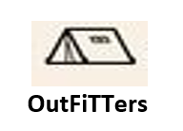
Company Data

Company Name: | Outfitters | CourseID | BUS5AP

